Sheet1
 | Departure Day: | Arrival Day: | GTI: | Inclination Change: | Frame Transfer: | GOI: | INC: | INC Change DeltaV: | Total:
1 | 2040-01-01 |  | 636.00 | 310.00 | 605.00 | 1,033.00 | 11.90 | 637.12 | 3,221.12
2 | 2040-01-02 | 2040-01-09 | 635.00 | 338.00 | 596.00 | 1,031.00 | 6.78 | 363.44 | 2,963.44
3 | 2040-01-03 | 2040-01-11 | 635.00 | 354.00 | 593.00 | 1,028.00 | 1.28 | 68.65 | 2,678.65
4 | 2040-01-04 | 2040-01-11 | 635.00 | 350.00 | 604.00 | 1,025.00 | 4.40 | 235.94 | 2,849.94
5 | 2040-01-05 | 2040-01-12 | 634.00 | 322.00 | 627.00 | 1,021.00 | 10.00 | 535.68 | 3,139.68 |  |  |  |  | deltaV | 1.05
6 | 2040-01-06 | 2040-01-13 | 634.00 | 274.00 | 659.00 | 1,019.00 | 15.21 | 813.41 | 3,399.41 |  |  |  |  | T | 978,889.00
7 | 2040-01-07 | 2040-01-14 | 634.00 | 194.00 | 696.00 | 1,015.00 | 19.63 | 1,047.73 | 3,586.73 |  |  |  |  | 1/2T | 489,444.50
8 | 2040-01-08 | 2040-01-16 | 633.00 | 90.00 | 726.00 | 1,010.00 | 22.82 | 1,215.89 | 3,674.89
9 | 2040-01-09 | 2040-01-16 | 633.00 | 38.00 | 738.00 | 1,009.00 | 24.33 | 1,295.17 | 3,713.17 |  |  |  |  | deltaV1 | 347.29635533
10 | 2040-01-10 |  | 633.00 | 170.00 | 724.00 | 1,006.00 | 23.90 | 1,272.62 | 3,805.62 |  |  |  |  | deltaV2 | 1067.5889963
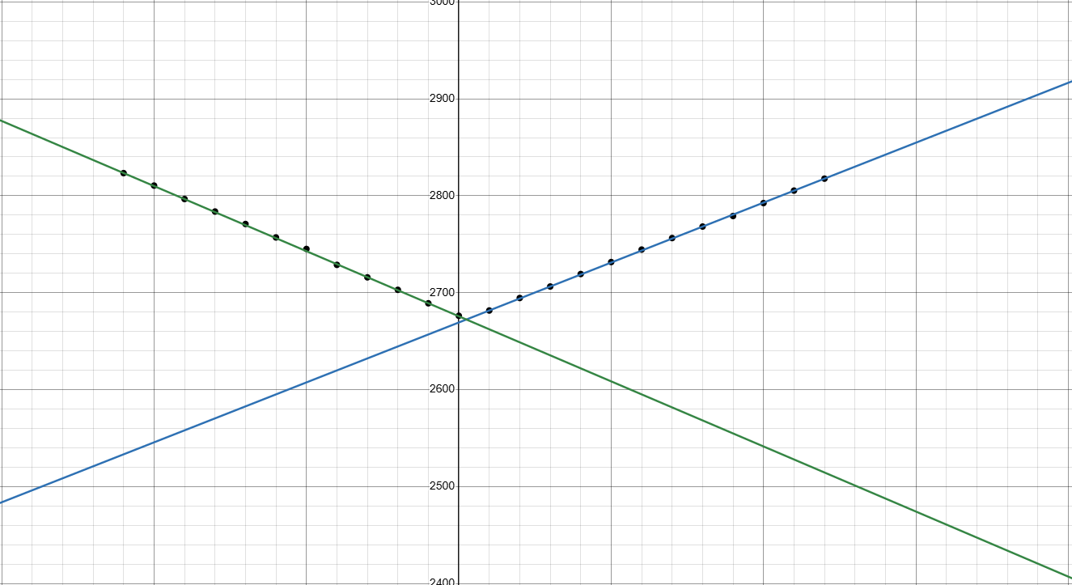
11 | 2040-01-11 |  | 632.00 | 286.00 | 689.00 | 1,006.00 | 21.64 | 1,153.79 | 3,766.79
12 | 2040-01-12 | 2040-01-19 | 633.00 | 382.00 | 638.00 | 1,008.00 | 17.84 | 953.00 | 3,614.00
13 | 2040-01-13 | 2040-01-21 | 633.00 | 438.00 | 598.00 | 1,010.00 | 12.86 | 688.31 | 3,367.31
14 | 2040-01-14 | 2040-01-22 | 633.00 | 470.00 | 563.00 | 1,014.00 | 7.29 | 390.74 | 3,070.74
15 | 2040-01-15 | 2040-01-23 | 634.00 | 482.00 | 540.00 | 1,019.00 | 1.51 | 80.99 | 2,755.99
16 | 2040-01-16 | 2040-01-24 | 635.00 | 474.00 | 534.00 | 1,022.00 | 4.20 | 225.22 | 2,890.22
17 | 2040-01-17 | 2040-01-25 | 635.00 | 454.00 | 537.00 | 1,026.00 | 9.58 | 513.23 | 3,165.23
18 | 2040-01-18 | 2040-01-26 | 636.00 | 422.00 | 550.00 | 1,030.00 | 14.47 | 774.05 | 3,412.05
19 | 2040-01-19 | 2040-01-27 | 636.00 | 374.00 | 575.00 | 1,032.00 | 18.71 | 999.07 | 3,616.07
20 | 2040-01-20 | 2040-01-28 | 636.00 | 314.00 | 604.00 | 1,033.00 | 22.16 | 1,181.17 | 3,768.17
21 | 2040-01-21 | 2040-01-29 | 637.00 | 242.00 | 633.00 | 1,035.00 | 24.70 | 1,314.57 | 3,861.57
22 | 2040-01-22 | 2040-01-30 | 637.00 | 158.00 | 657.00 | 1,037.00 | 26.24 | 1,395.13 | 3,884.13
23 | 2040-01-23 | 2040-01-31 | 637.00 | 70.00 | 673.00 | 1,036.00 | 26.66 | 1,417.06 | 3,833.06
24 | 2040-01-24 | 2040-02-01 | 636.00 | 22.00 | 677.00 | 1,035.00 | 25.93 | 1,378.94 | 3,748.94
25 | 2040-01-25 | 2040-02-02 | 636.00 | 110.00 | 670.00 | 1,035.00 | 24.09 | 1,282.59 | 3,733.59
26 | 2040-01-26 | 2040-02-02 | 636.00 | 190.00 | 655.00 | 1,035.00 | 21.20 | 1,130.60 | 3,646.60
27 | 2040-01-27 | 2040-02-04 | 636.00 | 254.00 | 635.00 | 1,033.00 | 17.42 | 930.74 | 3,488.74
28 | 2040-01-28 | 2040-02-05 | 636.00 | 306.00 | 615.00 | 1,033.00 | 12.89 | 689.91 | 3,279.91
29 | 2040-01-29 | 2040-02-06 | 635.00 | 338.00 | 601.00 | 1,031.00 | 7.82 | 419.11 | 3,024.11

Optimal Departure Time |  | Departure Time: | GTI: | Inclination Change: | Frame Transfer: | GOI: | INC: | INC Change DeltaV: | Total: | Departure Time | Arrival Time
 | 2040-01-15 | 0 | 634.00 | 478.00 | 551.00 | 1,016.00 | 4.41 | 236.48 | 2,915.48 | -18
 | 2040-01-15 | 1 | 634.00 | 478.00 | 550.00 | 1,017.00 | 4.17 | 223.61 | 2,902.61 | -17
 | 2040-01-15 | 2 | 634.00 | 478.00 | 549.00 | 1,017.00 | 3.92 | 210.21 | 2,888.21 | -16
 | 2040-01-15 | 3 | 634.00 | 482.00 | 546.00 | 1,017.00 | 3.68 | 197.35 | 2,876.35 | -15
 | 2040-01-15 | 4 | 634.00 | 482.00 | 545.00 | 1,018.00 | 3.44 | 184.48 | 2,863.48 | -14
 | 2040-01-15 | 5 | 634.00 | 482.00 | 545.00 | 1,018.00 | 3.20 | 171.61 | 2,850.61 | -13
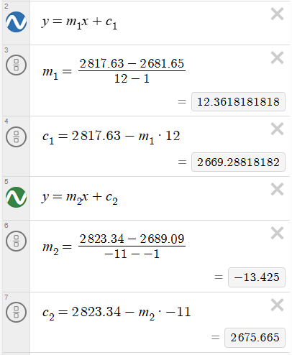
 | 2040-01-15 | 6 | 634.00 | 482.00 | 544.00 | 1,018.00 | 2.96 | 158.74 | 2,836.74 | -12 | -13.42 | 21/01/2040 - 23:41 |  | 6 days 17 hours 41 minutes
 | 2040-01-15 | 7 | 634.00 | 482.00 | 544.00 | 1,018.00 | 2.71 | 145.34 | 2,823.34 | -11 | -12.28
 | 2040-01-15 | 8 | 634.00 | 482.00 | 543.00 | 1,019.00 | 2.47 | 132.47 | 2,810.47 | -10 | -11.17
 | 2040-01-15 | 9 | 634.00 | 482.00 | 542.00 | 1,019.00 | 2.23 | 119.60 | 2,796.60 | -9 | -10.03
 | 2040-01-15 | 10 | 634.00 | 482.00 | 542.00 | 1,019.00 | 1.99 | 106.73 | 2,783.73 | -8 | -8.92
 | 2040-01-15 | 11 | 634.00 | 482.00 | 542.00 | 1,019.00 | 1.75 | 93.86 | 2,770.86 | -7 | -7.80
 | 2040-01-15 | 12 | 634.00 | 482.00 | 540.00 | 1,020.00 | 1.51 | #VALUE! | #VALUE! | -6 | -6.67
 | 2040-01-15 | 13 | 634.00 | 482.00 | 541.00 | 1,020.00 | 1.27 | 68.12 | 2,745.12 | -5 | -5.55
 | 2040-01-15 | 14 | 634.00 | 482.00 | 540.00 | 1,018.00 | 1.02 | 54.71 | 2,728.71 | -4 | -4.47
 | 2040-01-15 | 15 | 634.00 | 482.00 | 540.00 | 1,018.00 | 0.78 | 41.84 | 2,715.84 | -3 | -3.35
 | 2040-01-15 | 16 | 634.00 | 482.00 | 539.00 | 1,019.00 | 0.54 | 28.96 | 2,702.96 | -2 | -2.22
 | 2040-01-15 | 17 | 634.00 | 482.00 | 538.00 | 1,019.00 | 0.30 | 16.09 | 2,689.09 | -1 | -1.10
 | 2040-01-15 | 18 | 634.00 | 482.00 | 538.00 | 1,019.00 | 0.06 | 3.22 | 2,676.22 | 0 | - | 22/01/40 - 13:07 |  | 6 days 19 hours 7 minutes
 | 2040-01-15 | 19 | 634.00 | 482.00 | 537.00 | 1,019.00 | 0.18 | 9.65 | 2,681.65 | 1 | 1.12
 | 2040-01-15 | 20 | 634.00 | 482.00 | 537.00 | 1,019.00 | 0.42 | 22.53 | 2,694.53 | 2 | 2.23
 | 2040-01-15 | 21 | 634.00 | 482.00 | 536.00 | 1,019.00 | 0.66 | 35.40 | 2,706.40 | 3 | 3.35
 | 2040-01-15 | 22 | 634.00 | 482.00 | 535.00 | 1,020.00 | 0.90 | 48.27 | 2,719.27 | 4 | 4.47
 | 2040-01-15 | 23 | 634.00 | 482.00 | 535.00 | 1,020.00 | 1.13 | 60.61 | 2,731.61 | 5 | 5.58
 | 2040-01-16 | 0 | 634.00 | 482.00 | 535.00 | 1,020.00 | 1.37 | 73.48 | 2,744.48 | 6 | 6.70
 | 2040-01-16 | 1 | 634.00 | 482.00 | 534.00 | 1,020.00 | 1.61 | 86.35 | 2,756.35 | 7 | 7.82
 | 2040-01-16 | 2 | 634.00 | 482.00 | 533.00 | 1,020.00 | 1.85 | 99.22 | 2,768.22 | 8 | 8.93
 | 2040-01-16 | 3 | 634.00 | 478.00 | 535.00 | 1,020.00 | 2.09 | 112.09 | 2,779.09 | 9 | 10.00
 | 2040-01-16 | 4 | 634.00 | 478.00 | 535.00 | 1,021.00 | 2.32 | 124.43 | 2,792.43 | 10 | 11.12
 | 2040-01-16 | 5 | 634.00 | 478.00 | 535.00 | 1,021.00 | 2.56 | 137.30 | 2,805.30 | 11 | 12.22
 | 2040-01-16 | 6 | 634.00 | 478.00 | 535.00 | 1,021.00 | 2.79 | 149.63 | 2,817.63 | 12 | 13.33 | 23/01/2040 - 02:27 |  | 6 days 20 hours 27 minutes

 |  |  |  |  |  |  |  |  |  | Linear Relationship: y = mx + c
 |  |  |  |  |  |  |  |  |  | m: | 1.115
 |  |  |  |  |  |  |  |  |  | c: | 0

 |  |  |  |  |  |  |  |  |  | One sidereal day is 23 hours 56 minutes and 6 seconds
 |  |  |  |  |  |  |  |  |  | Half is 11 hours 58 minutes and 3 seconds

 |  |  |  |  |  |  |  |  |  | To arrive 11 hours 58 minutes and 3 seconds early you need to set off 10 hours 43 minutes and 59 seconds early

 |  |  |  |  |  |  |  |  |  | Arrival Time = 1.115*Departure Time

 |  |  |  |  |  |  |  |  |  | Two equations for the deltaV depending on the departure time

GEO to LLO optimisation - First attempt, no change in SOI until Circularisation |  |  |  |  | Second Attempt, change to elliptical close to LLO (1900 km) then circularise |  |  |  | Third Attempt, change to elliptical close to LLO (3,000 km) then circularise
DoD | ToD | Depart GEO | Circularise | Total: | Change to Elliptical: | Circularise: | Total: |  | Change to Elliptical: | Circularise: | Total:
2040-01-28 | 0 |  | N/A | N/A | N/A |  | #VALUE! |  | N/A | N/A | #VALUE!
2040-01-28 | 1 |  | N/A | N/A | 896.00 | 269.00 | 1,165.00 |  | N/A | N/A | #VALUE!
2040-01-28 | 2 |  | N/A | N/A | 883.00 | 178.00 | 1,061.00 |  | N/A | N/A | #VALUE!
2040-01-28 | 3 |  | N/A | N/A | 852.00 | 65.00 | 917.00 |  | N/A | N/A | #VALUE!
2040-01-28 | 4 |  | 1,619.00 | 1,619.00 | 1,085.00 | 468.00 | 1,553.00 |  | N/A | N/A | #VALUE!
2040-01-28 | 5 |  | 1,742.00 | 1,742.00 | 1,879.00 | 758.00 | 2,637.00 |  | N/A | N/A | #VALUE!
2040-01-28 | 6 |  | 2,467.00 | 2,467.00 | N/A |  | #VALUE! |  | N/A | N/A | #VALUE!
2040-01-28 | 7 |  | 3,069.00 | 3,069.00 | N/A |  | #VALUE! |  | N/A | N/A | #VALUE!
2040-01-28 | 8 |  |  |  | N/A |  | #VALUE! |  | N/A | N/A | #VALUE!
2040-01-28 | 9 |  |  |  | N/A |  | #VALUE! |  | N/A | N/A | #VALUE!
2040-01-28 | 10 |  |  |  | N/A |  | #VALUE! |  | N/A | N/A | #VALUE!
2040-01-28 | 11 |  |  |  | N/A |  | #VALUE! |  | 1,368.00 | 814.00 | 2,182.00
2040-01-28 | 12 |  |  |  | 2,384.00 | 497.00 | 2,881.00 |  | 1,047.00 | 856.00 | 1,903.00
2040-01-28 | 13 |  |  |  | 1,784.00 |  | 1,784.00 |  | 691.00 | 860.00 | 1,551.00
2040-01-28 | 14 |  |  |  | 913.00 | 541.00 | 1,454.00 |  | 292.00 | 812.00 | 1,104.00
2040-01-28 | 15 |  |  |  | 848.00 | 60.00 | 908.00 |  | 167.00 | 705.00 | 872.00 | 132.00 | 719.00 | 851.00 | 3000
2040-01-28 | 16 |  |  |  | 880.00 | 162.00 | 1,042.00 |  | 732.00 | 517.00 | 1,249.00 | 91 | 735 | 826.00 | 5000
2040-01-28 | 17 |  |  |  | 892.00 | 248.00 | 1,140.00 |  | N/A | N/A | #VALUE! | 69 | 745 | 814.00 | 10000
2040-01-28 | 18 |  |  |  | 898.00 | 314.00 | 1,212.00 |  | N/A | N/A | #VALUE! | 84 | 747 | 831.00 | 20000
2040-01-28 | 19 |  |  |  | 802.00 | 366.00 | 1,168.00 |  | N/A | N/A | #VALUE! | 809 | 507 | 1,316.00 | 30000
 | 20 |  |  |  | N/A |  | #VALUE! |  | N/A | N/A | #VALUE!
 | 21 |  |  |  | N/A |  | #VALUE! |  | N/A | N/A | #VALUE!
 | 22 |  |  |  | N/A |  | #VALUE! |  | N/A | N/A | #VALUE!
 | 23 |  |  |  | N/A |  | #VALUE! |  | N/A | N/A | #VALUE!

